Cover Page
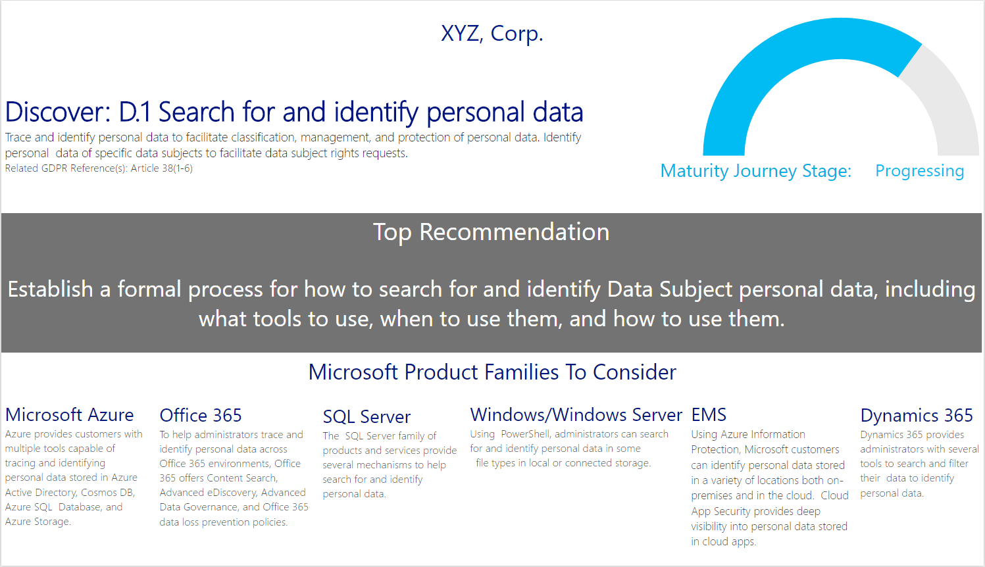
Microsoft GDPR Detailed Assessment

Intended Usage This model is a question-driven assessment tool for preparing for the General Data Protection Regulation (GDPR) (Regulation (EU) 2016/679). The tool is intended to be used by Microsoft partners to assist customers in identifying where they are on the journey to GDPR readiness. Output from the tool includes identification of gaps in customer readiness and recommendations to consider for closing any gaps. Recommendations are organized into the categories People, Process and Technology. Disclaimer This GDPR Detailed Assessment is intended to assist organizations with assessing their GDPR compliance progress. This GDPR Detailed Assessment is provided for general public informational purposes only. Any results, scoring or recommendations produced by the GDPR Detailed Assessment should not be relied upon to determine how GDPR applies to an organization or an organization’s compliance with GDPR, and they do not constitute legal advice, certifications or guarantees regarding GDPR compliance. Instead, we hope the GDPR Detailed Assessment identifies technologies and additional steps that organizations can implement to simplify their GDPR compliance efforts. The application of GDPR is highly fact-specific. We encourage all organizations using this GDPR Detailed Assessment to work with a legally qualified professional to discuss GDPR, how it applies specifically to their organization, and how best to ensure compliance. MICROSOFT MAKES NO WARRANTIES, EXPRESS, IMPLIED, OR STATUTORY, AS TO THE INFORMATION IN THIS GDPR DETAILED ASSESSMENT. Microsoft disclaims any conditions, express or implied, or other terms that use of the Microsoft products or services will ensure the organization’s compliance with the GDPR. This GDPR Detailed Assessment is provided “as-is.” Information and recommendations expressed in this GDPR Detailed Assessment may change without notice. This GDPR Detailed Assessment does not provide the user with any legal rights to any intel

Input Input is given by answering questions. Each question should be answered based on the customer's current personnel, processes and technology. Where appropriate, these questions can be posed to your customer directly. Responses Each question can be answered Yes, No, or Not Applicable. Not Applicable should be used in cases where the customer is not beholden to the regulation, due to the scope of its services.

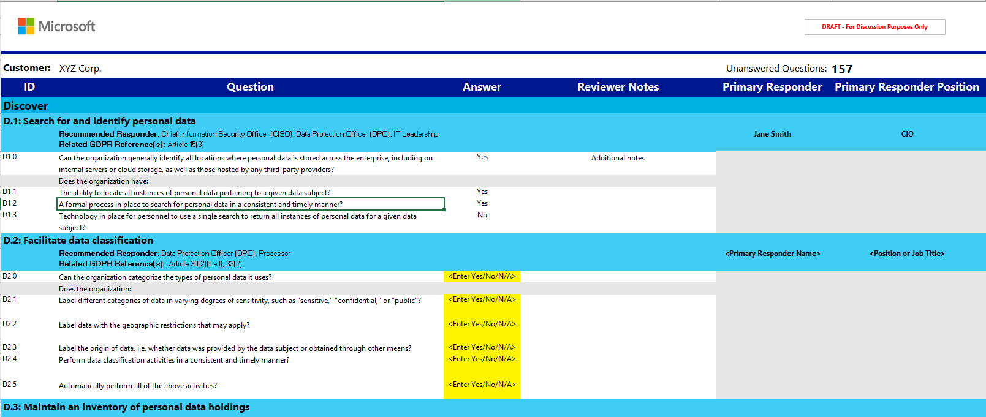

Output (Power BI) Upon completing the Input worksheet, a summary view and recommendations are available via the associated Power BI file. The included walkthrough document provides detailed instructions on importing results from this sheet to Power BI.

